Simple Bug Report Template
---- | BUG REPORT PARA BANK
 | BUG ID |  |  |  | BUG OVERVIEW |  |  |  | ENVIRONMENT |  |  | BUG DETAILS |  |  |  | BUG TRACKING |  |  |  | FIX |  | NOTES
 | BUG ID | TITLE | REPORTED BY | DATE REPORTED | SUMMARY | URL | Description | SCREENSHOT | PLATFORM | OPERATING SYSTEM | BROWSER | STEPS TO REPRODUCE | Bug Type | EXPECTED RESULT | ACTUAL RESULT | DEFECT SEVERITY | DEFECT PRIORITY | ASSIGNED TO | STATUS | RESOLUTION | DATE OF FIX | NOTES | SEVERITY | DEFECT PRIORITY | STATUS
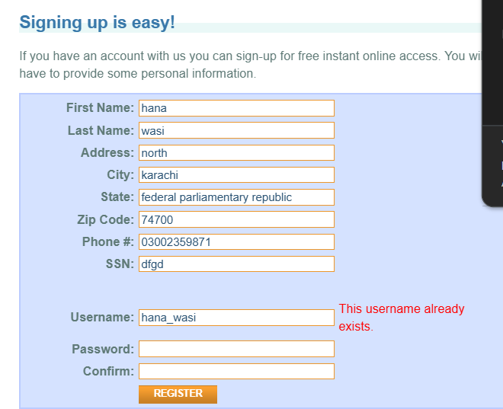
 | BUG-001 | Registration accepts no new usernames and incorrectly displays “This username already exists” | Hana wasi | 2026-08-06 | Registration rejects new usernames and incorrectly displays “This username already exists” | https://parabank.parasoft.com/parabank/register.htm | When a user enters a unique username during registration, the system incorrectly identifies it as an existing username and prevents registration. |  | Desktop | Windows | Chrome | 1. Open the Registration page. 2. Enter a unique username. 3. Enter all required details. 4. Submit the registration form. | Functional | A unique username should be accepted and the user should be able to complete registration | The system displays “This username already exists” even for a new username. | Major | High |  | Open |  |  | Test with multiple unique usernames. | Showstopper | Critical | Open
 |  |  |  |  |  |  |  |  |  |  |  |  |  |  |  |  |  |  |  |  |  |  | Major | High | Resolved
 |  |  |  |  |  |  |  |  |  |  |  |  |  |  |  |  |  |  |  |  |  |  | Minor | Medium | Closed
 |  |  |  |  |  |  |  |  |  |  |  |  |  |  |  |  |  |  |  |  |  |  | Low | Low
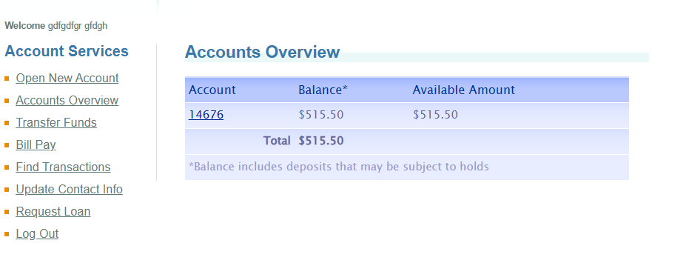

 | BUG-002 | Login accepts arbitrary username and password and displays the dashboard | Hana Wasi | 2026-08-06 | The system appears to authenticate users with arbitrary credentials | https://parabank.parasoft.com/parabank/overview.htm | Entering any username and password allows access to the dashboard instead of validating whether the credentials belong to a registered user. |  | Desktop | Windows | Chrome | 1. Open the Login page. 2. Enter an arbitrary username. 3. Enter an arbitrary password. 4. Click Login/Submit. | Functional | Only valid registered credentials should allow the user to access the dashboard. Invalid credentials should display an appropriate error message. | The system accepts arbitrary username/password combinations and displays the dashboard/amount information. | Major | Critical |  | Open |  |  | Confirm this with completely random credentials before submitting as a security defect.

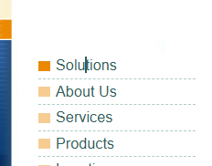
 | BUG-003 | Solution button is not clickable and displays a text-input cursor | Hana Wasi | 2026-08-06 | The Solution button does not behave as a clickable element. | https://parabank.parasoft.com/parabank/overview.htm | The Solution button displays a text-input cursor instead of a clickable pointer cursor. The user can also type text when hovering/clicking around the Solution button area, indicating that the element is incorrectly configured or not functioning as an interactive button. |  | Desktop | Windows | Chrome | 1. Open the relevant page. 2. Locate the Solution button. 3. Hover over the Solution button. 4. Observe the cursor. 5. Click/attempt to interact with the button. 6. Try typing while the cursor is positioned over the area. | Functional | The Solution button should display a pointer/click cursor and should perform its intended action when clicked. The user should not be able to enter text in the button area. | The cursor changes to a text-input cursor instead of a pointer/click cursor. The user can not type text in the area, and the Solution button does not perform its intended action. | Major | High |  | Open |  |  | The element appears to be incorrectly configured as a text/selectable area rather than a clickable button.


 | BUG-004 | LOC button redirects/lands incorrectly | Hana Wasi | 2026-08-06 | LOC button redirects to the Solutions page of other website | https://www.parasoft.com/solutions/ | When the user clicks the LOC button, it redirects to the Parasoft Solutions page. The relevant LOC content is not displayed directly, and the user has to scroll extensively to locate it. |  | Desktop | Windows | Chrome | 1. Open home page 2. click on Location 3. scroll down to see location on another website. | Usability | The location should be displayed directly without scroll down. | It redirects to another webiste wherethe user needs to scroll down to see locaion. | Minor | Medium |  | Open |  |  | The LOC button does not take the user directly to the relevant LOC content, resulting in unnecessary scrolling.

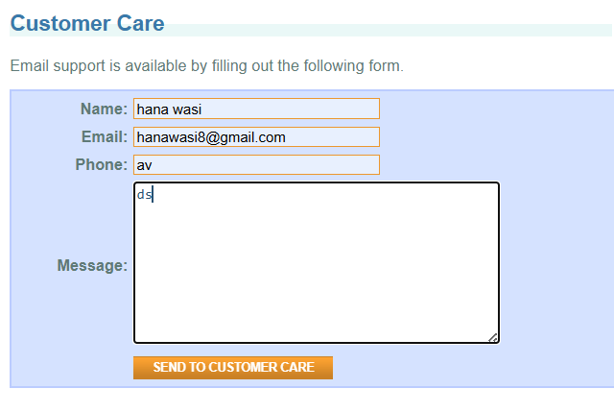
 | BUG-005 | Customer Care Phone Number Accepts Alphabetic Characters | Hana Wasi | 2026-08-06 | Customer Care phone field accepts alphabets instead of only numeric characters. | https://parabank.parasoft.com/parabank/contact.htm | The Customer Care phone number field does not validate alphabetic input. |  | Desktop | Windows | Chrome | 1.Click Customer Care 2. Enter alphabets in the phone number field 3. Send to customer care. | Validation | The phone field should accept only valid numeric phone numbers and reject alphabets. | The field accepts alphabetic characters. | Minor | High |  | Open

 | BUG-006 | Name Field Accepts Numeric Characters | Hana Wasi | 2026-08-06 | Name field accepts digits instead of restricting input to alphabetic characters. | https://parabank.parasoft.com/parabank/contact.htm | The Name field does not properly validate numeric input. |  | Desktop | Windows | Chrome | 1.Click Customer Care 2. Enter digits in the name field 3. Send to customer care. | Validation | The Name field should accept only valid alphabetic characters and reject digits. | The field accepts numeric characters. | Minor | High |  | Open

 | BUG-007 | Email Field Accepts Invalid Email Format | Hana Wasi | 2026-08-06 | Email field accepts incorrectly formatted email addresses. | https://parabank.parasoft.com/parabank/contact.htm | The Email field does not properly validate the email format before submission. |  | Desktop | Windows | Chrome | 1.Click Customer Care 2. Enter wrong email format. 3. Send to customer care. | Validation | The system should reject invalid email formats and display an appropriate validation message. | The field accepts an incorrectly formatted email address. | Minor | High |  | Open

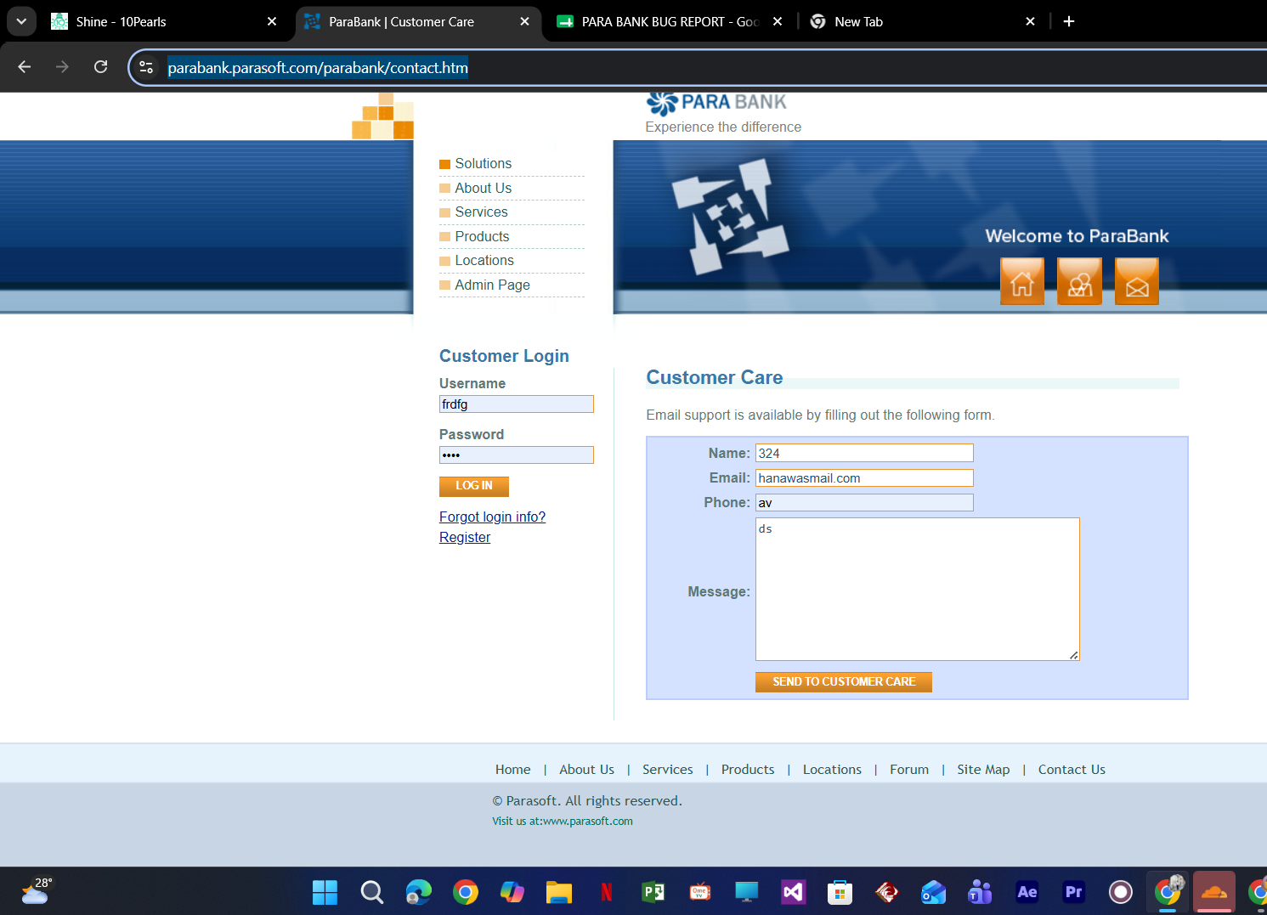

 | UI-001 | Customer Care form is not center aligned | Hana Wasi | 2026-08-06 | Customer Care form is misaligned within the page. | https://parabank.parasoft.com/parabank/contact.htm | The form is shifted to the right and does not appear centered. |  | Desktop | Windows | Chrome | Open Customer Care page. | UI/Visual | Form should be centered within the content area. | Form appears shifted to the right. | Low | Low |  | Open

 | UI-002 | Excessive White Space on Left Side | Hana Wasi | 2026-08-06 | Large unused white space appears on the left side of the page. | https://parabank.parasoft.com/parabank/contact.htm | The page layout looks unbalanced because of excessive blank space. |  | Desktop | Windows | Chrome | Open Customer Care page. | UI/Visual | It should be aligned properly | Layout is unbalanced | Low | Low |  | Open

 | UI-003 | Inconsistent Input Field Width | Hana Wasi | 2026-08-06 | Input fields have inconsistent sizes. | https://parabank.parasoft.com/parabank/contact.htm | Input fields and Message textarea have different widths. |  | Desktop | Windows | Chrome | Open Customer Care page. | UI/Visual | All form fields should have consistent width. | Different field widths are displayed. | Low | Low |  | Open

 | UI-004 | Labels and Input Fields Misalignment | Hana Wasi | 2026-08-06 | Labels are not perfectly aligned with input fields. | https://parabank.parasoft.com/parabank/contact.htm | Labels and corresponding input fields have minor alignment inconsistencies. |  | web | Windows | Chrome | Open Customer Care page. | UI/Visual | Labels and input fields should align consistently. | Slight misalignment is visible. | Low | Medium |  | Open

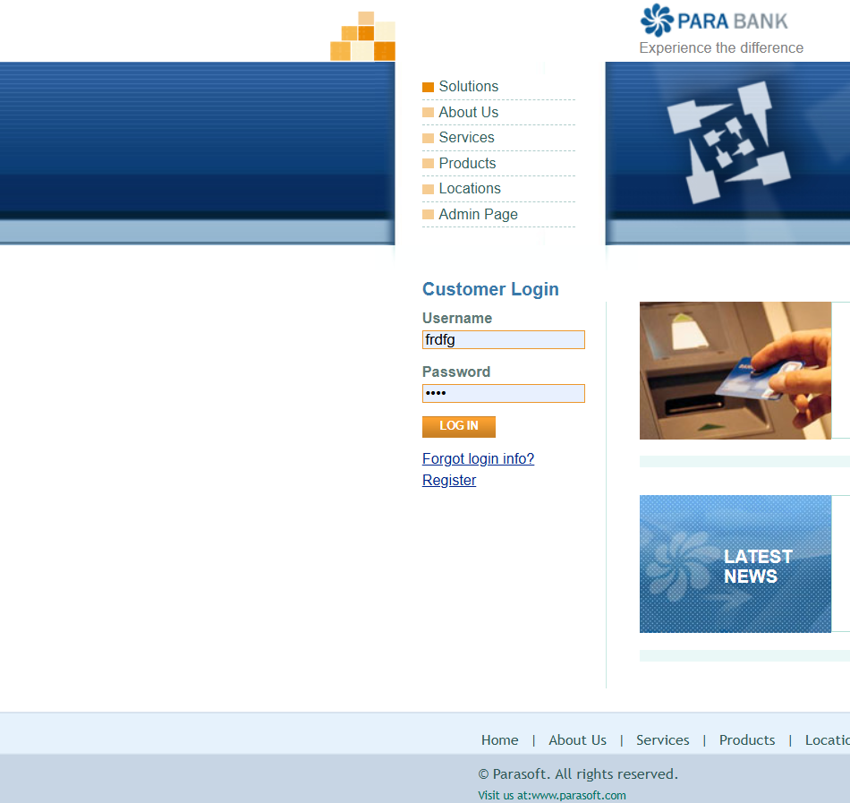
 | UI-005 | Customer Login Panel Not Vertically Centered | Hana Wasi | 2026-08-06 | Login panel alignment issue. | https://parabank.parasoft.com/parabank/index.htm | The Customer Login panel appears slightly lower than the main content area. |  | web | Windows | Chrome | Open Home page. | UI/Visual | Login panel should align vertically with the main content section. | Login panel appears slightly misaligned. | Low | Low |  | Open

 | UI-006 | Inconsistent Spacing Between Login Fields | Hana Wasi | 2026-08-06 | Uneven spacing between Username and Password fields. | https://parabank.parasoft.com/parabank/index.htm | The spacing between labels and input fields is inconsistent. |  | Desktop | Windows | Chrome | Open Home page. | UI/Visual: | Equal spacing should be maintained between form controls. | Uneven spacing is observed. | Low | Low |  | Open

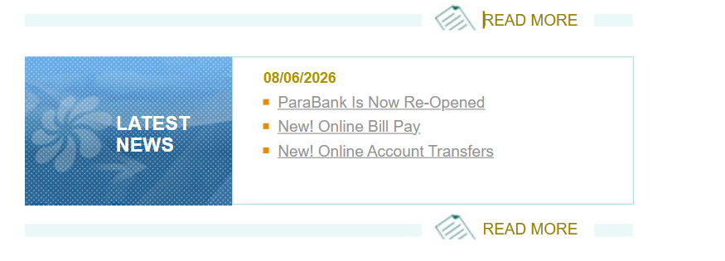
 | UI-007 | Read More Section Alignment Issue | Hana Wasi | 2026-08-06 | "READ MORE" section is not centered. | https://parabank.parasoft.com/parabank/index.htm | The "READ MORE" text and decorative lines appear slightly misaligned. |  | Desktop | Windows | Chrome | Open Home page. | UI/Visual: | Read More section should be horizontally centered. | Slight alignment inconsistency is visible. | Low | Low |  | Open

 | UI-008 | Uneven Padding in ATM Services Card | Hana Wasi | 2026-08-06 | Padding inside ATM Services section is inconsistent. | https://parabank.parasoft.com/parabank/index.htm | Service links are not evenly spaced from the card boundaries. |  | Desktop | Windows | Chrome | Open Home page. | UI/Visual: | Equal padding should be maintained inside the card. | Uneven spacing is visible. | Low | Low |  | Open

 | UI-009 | Duplicate Navigation Links in Footer | Hana Wasi | 2026-08-06 | Navigation links are duplicated in the footer. | https://parabank.parasoft.com/parabank/index.htm | The footer contains navigation links that duplicate the primary navigation menu. This creates unnecessary repetition and increases visual clutter. The footer should contain secondary links (e.g., Privacy Policy, Terms & Conditions, Help, FAQ, Careers, Contact) or a simplified navigation structure instead of repeating the main menu. |  | Desktop | Windows | Chrome | Open the Home page and compare the left navigation menu with the footer navigation. | Usability | Footer should display unique or limited navigation links instead of unnecessarily repeating the same navigation options. | The footer repeats navigation links such as Home, About Us, Services, Products, and Locations, which are already available in the main navigation. | Low | Low |  | Open

 | UI-010 | Primary Navigation Displayed in Left Sidebar Instead of Header | Hana Wasi | 2026-08-06 | The primary navigation menu is displayed in the left sidebar instead of the top header, resulting in a less intuitive user interface. | https://parabank.parasoft.com/parabank/index.htm | The website places the main navigation (Solutions, About Us, Services, Products, Locations, Admin Page) in a left sidebar. According to common web UI/UX conventions, primary navigation is generally placed horizontally in the header near the logo for better visibility and accessibility. |  | Desktop | Windows | Chrome | Open Home page. | Usability | he primary navigation should be displayed in the top header beside or below the website logo for easier accessibility and better user experience. | The primary navigation is displayed in the left sidebar while the header contains only the logo and shortcut icons. | Low | Low |  | Open

 | UI-011 | No Active Navigation Highlight | Hana Wasi | 2026-08-06 | The current page is not highlighted in the navigation menu. | https://parabank.parasoft.com/parabank/about.htm | The navigation menu does not visually indicate the currently active page. None of the navigation items are highlighted, underlined, or styled differently to show the user's current location within the website. This makes it difficult for users to identify which page they are currently viewing and negatively impacts navigation usability. |  | Desktop | Windows | Chrome | Open any page. | Usability | The selected page should be visually highlighted. | Users cannot easily identify which page they are currently viewing. | Low | Low |  | Open

